Bug report
Project name | TutorialsNinja
Clint | Masai School
Reference document | FRS
Created by | Abhisek Baral
Creation date | 19.08.2024
Approval date | 22.08.2024

Bug ID | Priority | Description/Bug Summary | Pre - requisites | Bug steps | Test data | Expected result | Actual result | Status | Test execution by | Browsers/Device | Screenshot/ Video recording
BG_001 | Low | To verify that the Header (Logo) functionality | Open browser Tutorialsninja page is Loaded Loged in to tutorialsninja | 1) Open the browser 2) Click on the URL 3) View top left H1 tag | N/A | The logo allignment should be proper in header section | Logo allignment is not proper | FAIL | Abhisek | Browser- Chrome OS - Windows 10
BG_002 | Low | To validate the Search-bar functionality with valid credential | Open browser Enter url tutorialsninja Perform task | 1) Open the browser 2) Click on the URL 3) Click on the search and type input. 4) Check the output. | IPhone 15 pro max | It should give the result for iphone 15 pro max else product is out of stock | User is unable to view the product details | FAIL | Abhisek | Browser- Chrome OS - Windows 10 | 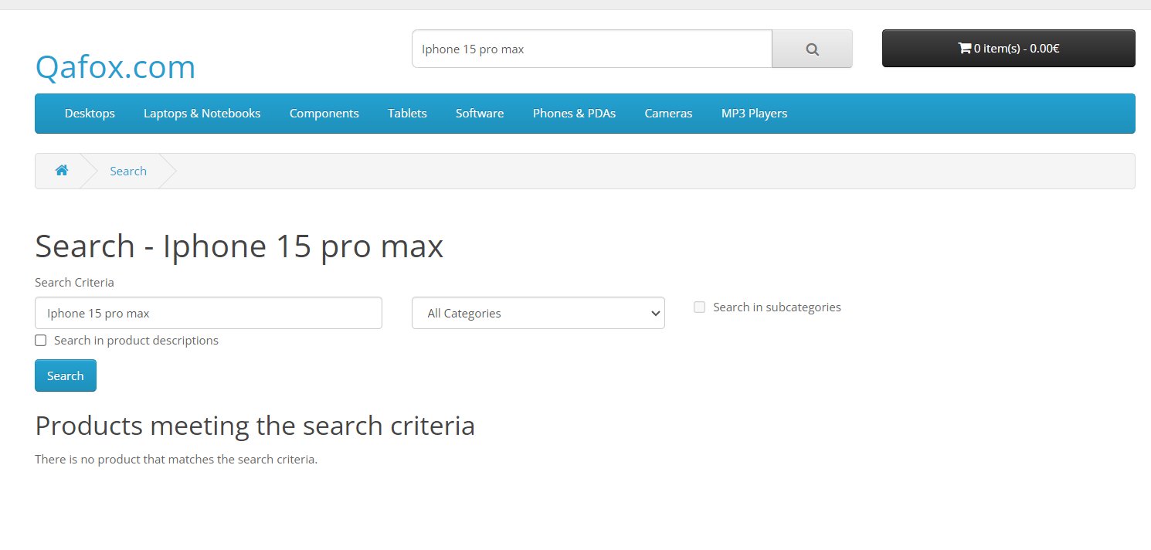
BG_003 | Low | To validate the Search-bar functionality with invalid credential | Open browser Enter url tutorialsninja Perform task | 1) Open the browser 2) Click on the URL 3) Click on the search and type input. 4) Check the output. | IPhone 15 pro max | It should not give the result for multiple charecter else inter valid product name | User is unable to view the product details | FAIL | Abhisek | Browser- Chrome OS - Windows 10 | 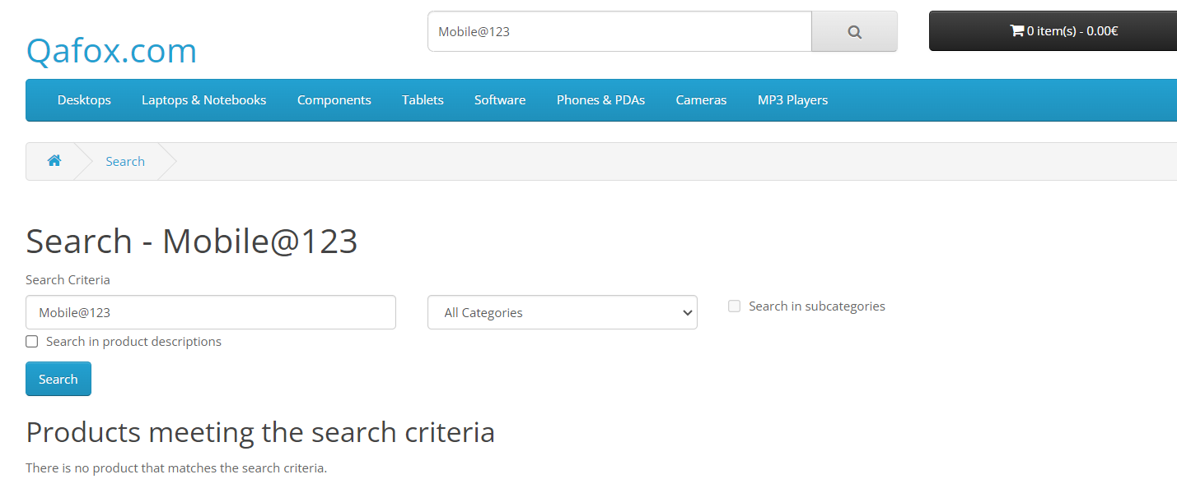
BG_004 | Low | Validate that search functionality can handle blank credential | Open browser Enter url tutorialsninja Perform task | 1) Open the browser 2) Click on the URL 3) Click on the search | N/A | It should give an error (Please enter product name) | User is able to move next page | FAIL | Abhisek | Browser- Chrome OS - Windows 10 | 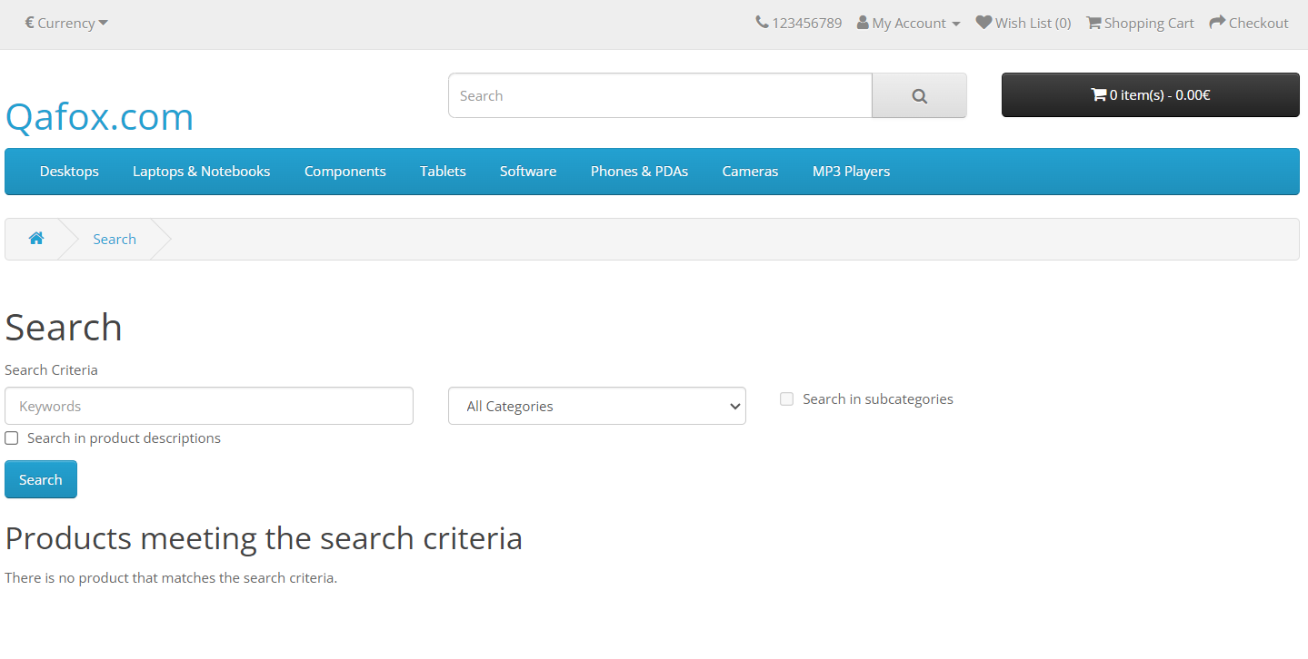
BG_005 | Critical | Validate that the sub product is display for all categories at the top. | Open browser Enter url tutorialsninja Perform task | 1) Open the browser 2) Click on the URL 3) Open the Home page 4) Move the cursor to the different category at top. | N/A | It should show the sub products. | User is unable to view all sub product in each section | FAIL | Abhisek | Browser- Chrome OS - Windows 10 | Short screen record
BG_006 | Low | Validate the first slider functionality | Open browser Enter url tutorialsninja Perform task | 1) Open the browser 2) Click on the URL 3) Open the Home page 4) Move to hero section 5) Click on slider img's | N/A | The first slider all image should be clickable | User is click some images is clickable and unclickable | FAIL | Abhisek | Browser- Chrome OS - Windows 10 | Short screen record
BG_007 | Critical | Validate the add to wish list from card row section functionality | Open browser Enter url tutorialsninja Perform task | 1) Open the browser 2) Click on the URL 3) Open the Home page. 4) Slide down to card section 5) Select the product 6) Click on Wish-List logo | N/A | The product should be added in wish list section | The product is unable added in wishlist section | FAIL | Abhisek | Browser- Chrome OS - Windows 10 | Short screen record

